Sheet1
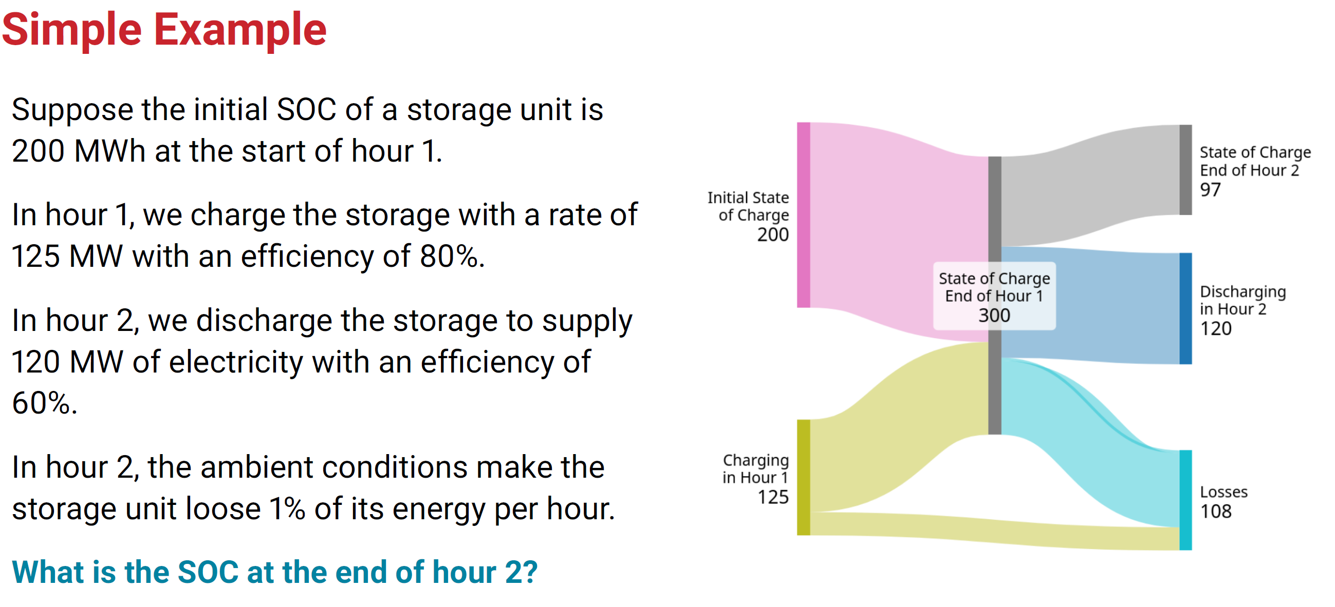
Variables | Values | Unit
ɳself | 0.01 | percentage
et-1 | 200.00 | MWh
ɳcharge | 0.80 | percentage
ct | 125.00 | MW
ɳdischarge | 0.60 | percentage
dt | 120.00 | MW

et = | 97

